1
Maximizar y Minimizar

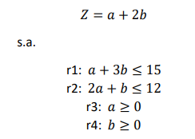
 |  |  | Z=a+2b+0h1+0h2

 |  |  | a+3b+h1=15
 |  |  | 2a+b+h2=12

Maximizar |  |  |  |  |  |  |  | Minimizar
 |  | a | b | h1 | h2 |  |  |  |  | a | b | h1 | h2
 | h1 | 1 | 3 | 1 | 0 | 15 | 5 |  | h1 | 1 | 3 | 1 | 0 | 15
 | h2 | 2 | 1 | 0 | 1 | 12 | 12 |  | h2 | 2 | 1 | 0 | 1 | 12
 | Zj | -1 | -2 | 0 | 0 | 0 |  |  | Zj | 1 | 2 | 0 | 0 | 0

1/3h1 | b | 0.33333333333 | 1 | 0.33333333333 | 0 | 5 | 15 |  | a= | 0
-b+h2 | h2 | 1.6666666667 | 0 | -0.33333333333 | 1 | 7 | 4.2 |  | b= | 0
2b+Zj | Zj | -0.33333333333 | 0 | 0.66666666667 | 0 | 10 |  |  | h1= | 15
 |  |  |  |  |  |  |  |  | h2= | 12
-1/3a+b | b | 0 | 1 | 0.4 | -0.2 | 3.6 |  |  | Zj= | 0
3/5h2 | a | 1 | 0 | -0.2 | 0.6 | 4.2
1/3a+Zj | Zj | 0 | 0 | 0.6 | 0.2 | 11.4

 |  | a= | 4.2
 |  | b= | 3.6
 |  | h1= | 0
 |  | h2= | 0
 |  | Zj= | 11.4

 | a+3b+h1=15 |  | 15
 | 2a+b+h2=12 |  | 12

2
Máximizar y Minimizar
Z=a+3b |  | Z=a+3b+0h1+0h2+0h3+0h4
s.a.
r1 | a+2b<=50 | a+2b+h1=50
r2 | 2a+2b<=75 | 2a+2b+h2=75
r3 | a>=15 | -a<=-15 | -a+h3=-15
r4 | a>=0
r5 | b>=-1 | -b<=1 | -b+h4=1

Maximizar
 |  | a | b | h1 | h2 | h3 | h4
 | h1 | 1 | 2 | 1 | 0 | 0 | 0 | 50 | 25
 | h2 | 2 | 2 | 0 | 1 | 0 | 0 | 75 | 37.5
 | h3 | -1 | 0 | 0 | 0 | 1 | 0 | -15 | #DIV/0!
 | h4 | 0 | -1 | 0 | 0 | 0 | 1 | 1 | -1
 | Zj | -1 | -3 | 0 | 0 | 0 | 0 | 0

1/2h1 | b | 0.5 | 1 | 0.5 | 0 | 0 | 0 | 25
-2b+h2 | h2 | 1 | 0 | -1 | 1 | 0 | 0 | 25
 | h3 | -1 | 0 | 0 | 0 | 1 | 0 | -15
b+h4 | h4 | 0.5 | 0 | 0.5 | 0 | 0 | 1 | 26
3b+Zj | Zj | 0.5 | 0 | 1.5 | 0 | 0 | 0 | 75

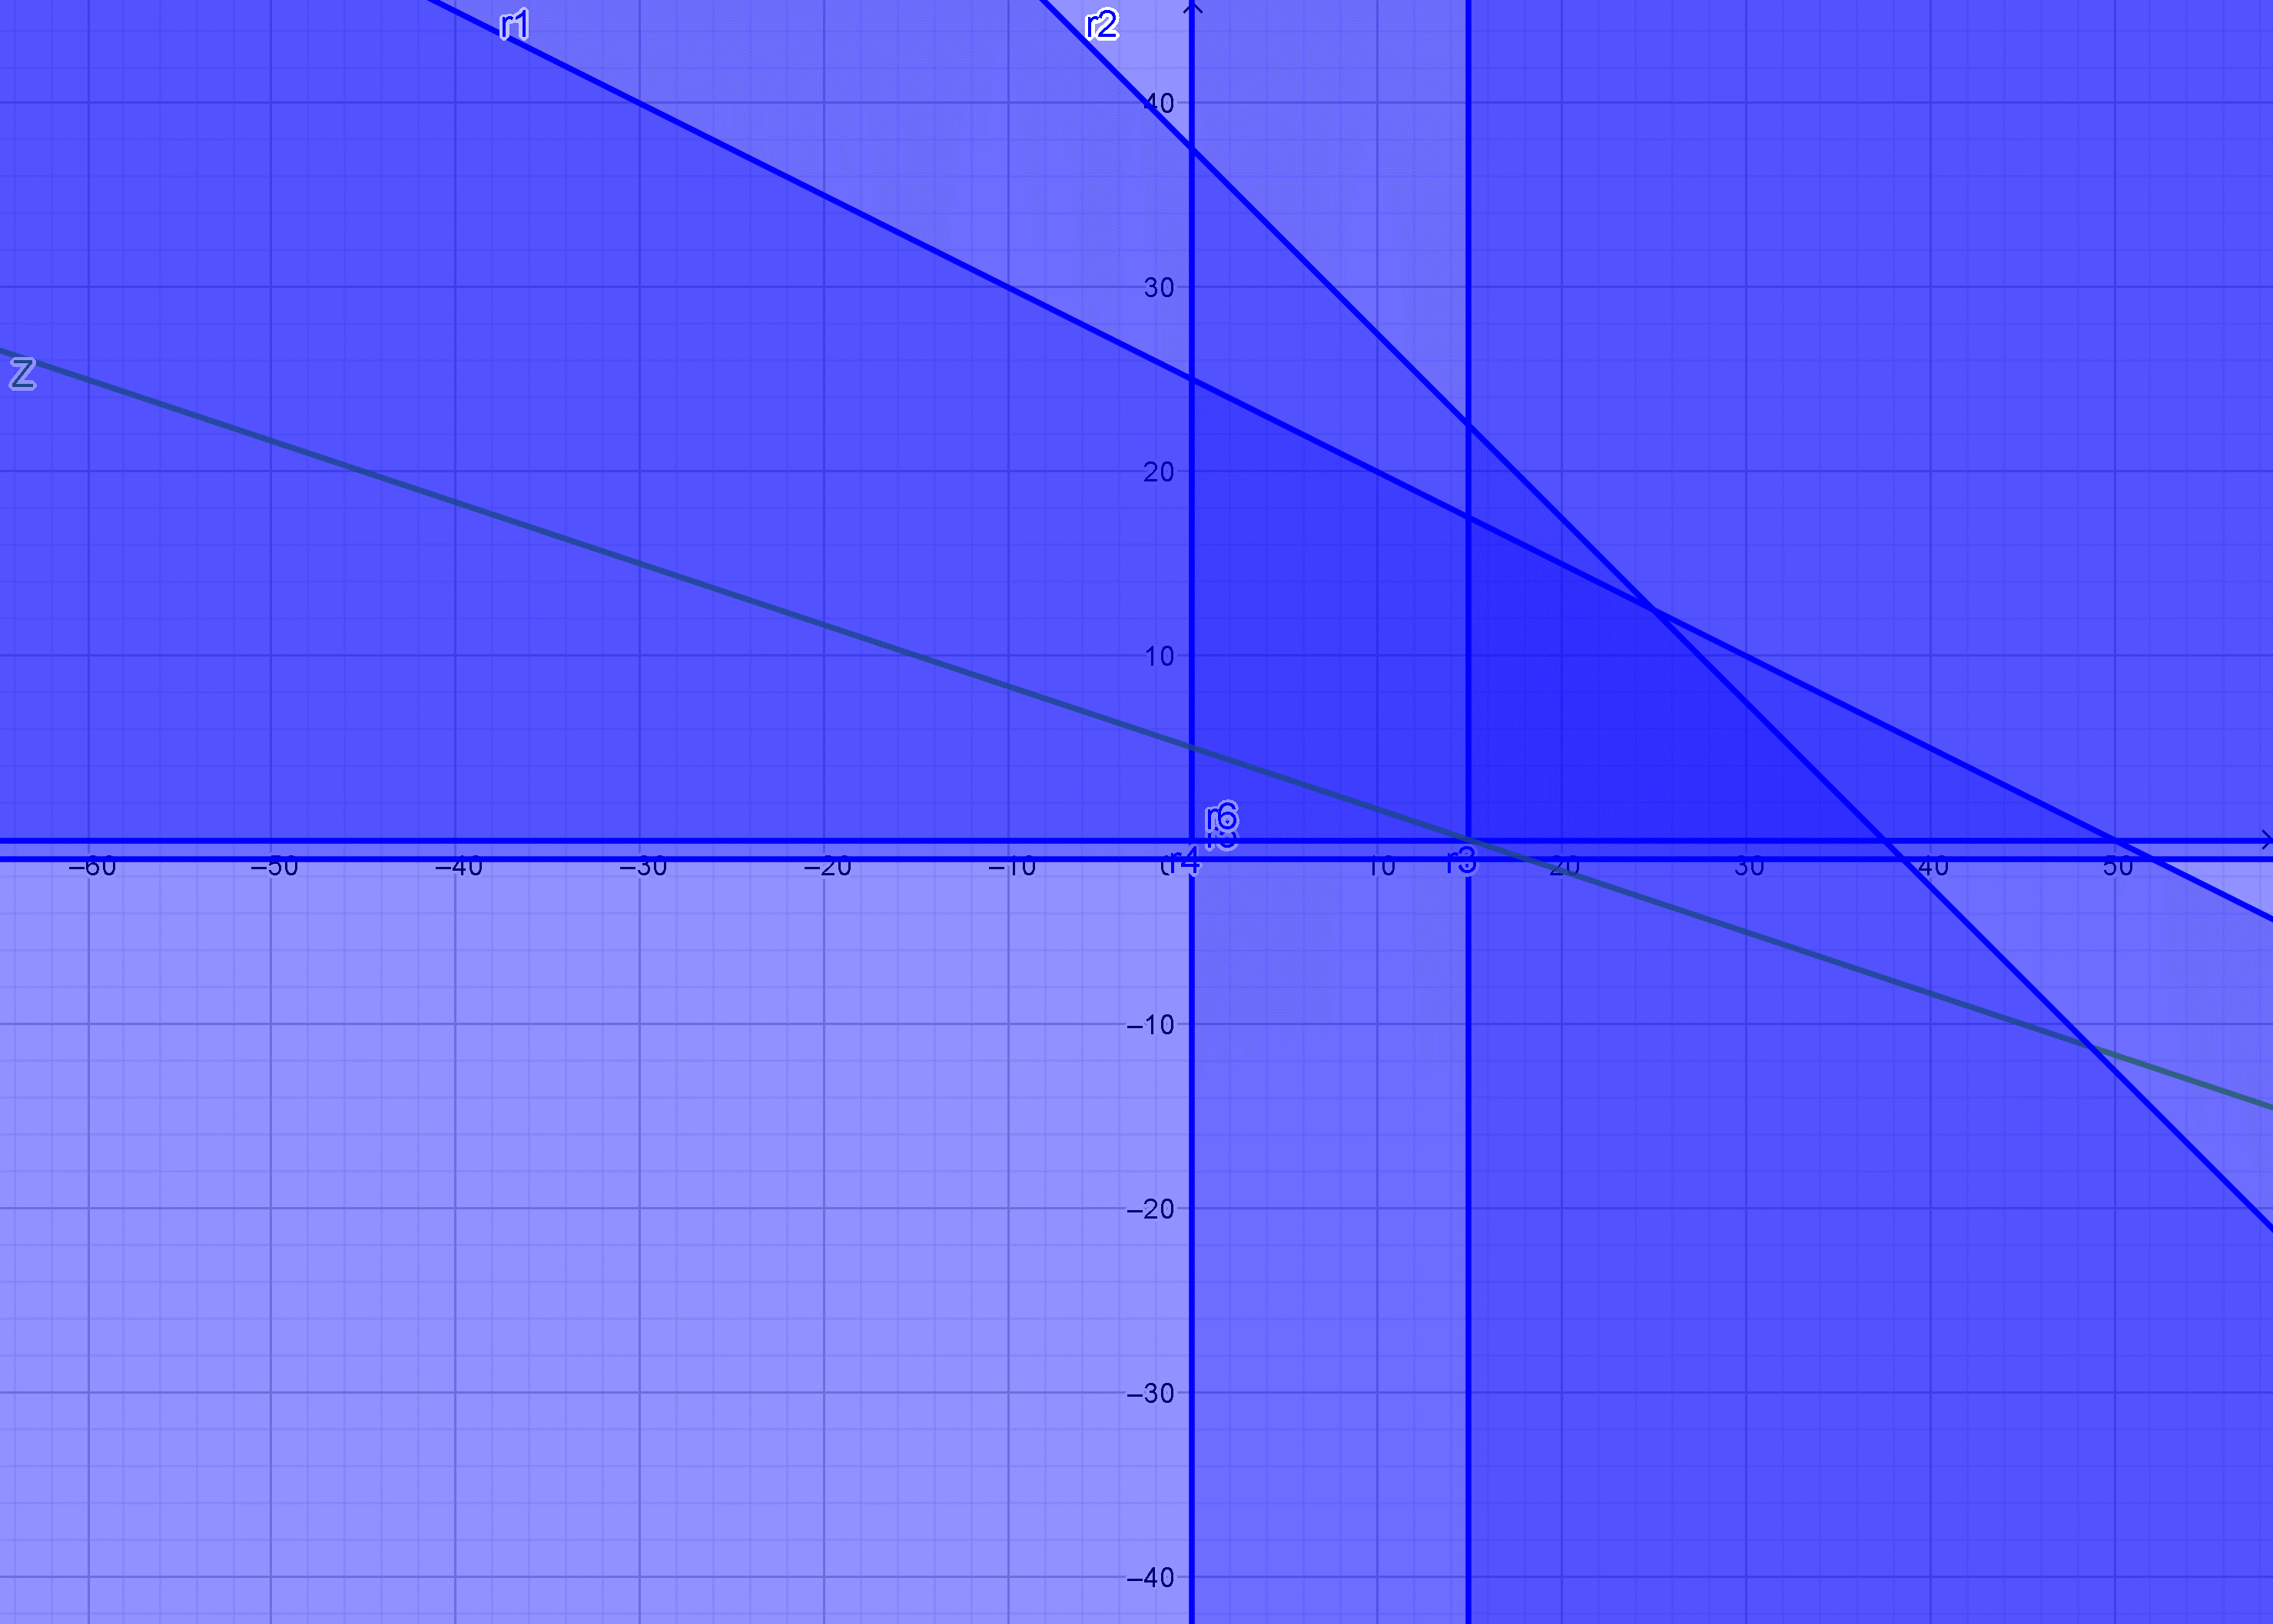
 |  | a= | 0
 |  | b= | 25
 |  | h1= | 0
 |  | h2= | 25
 |  | h3= | -15
 |  | h4= | 26
 |  | Zj= | 75

 | a+2b+h1=50 | 50
 | 2a+2b+h2=75 | 75
 | -a+h3=-15 | -15

 | -b+h4=1 | 1

Minimizar
 |  | a | b | h1 | h2 | h3 | h4
 | h1 | 1 | 2 | 1 | 0 | 0 | 0 | 50
 | h2 | 2 | 2 | 0 | 1 | 0 | 0 | 75
 | h3 | -1 | 0 | 0 | 0 | 1 | 0 | -15
 | h4 | 0 | -1 | 0 | 0 | 0 | 1 | 1
 | Zj | 1 | 3 | 0 | 0 | 0 | 0 | 0

 |  | a= | 0
 |  | b= | 0
 |  | h1= | 50
 |  | h2= | 75
 |  | h3= | -15
 |  | h4= | 1
 |  | Zj= | 0

